Example 9
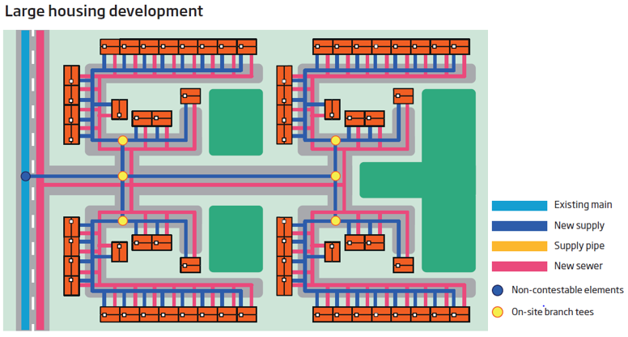
Worked Example 9: Large Housing Development
 | Water:
 |  | 200 new service connections off new mains with no excavation or reinstatement required
 |  | Excavate, supply and reinstate for a new main with 10 of road surface and 990m in unmade surface
 |  | Traffic management
 | Waste:
 |  | Infrastructure fee at the rate assumed for the inclusion of an agreed SuDS scheme and income offset

The following sheets show how the calculator is filled out for the above example and the resulting costs are on the calculator page.

