Scenario 1
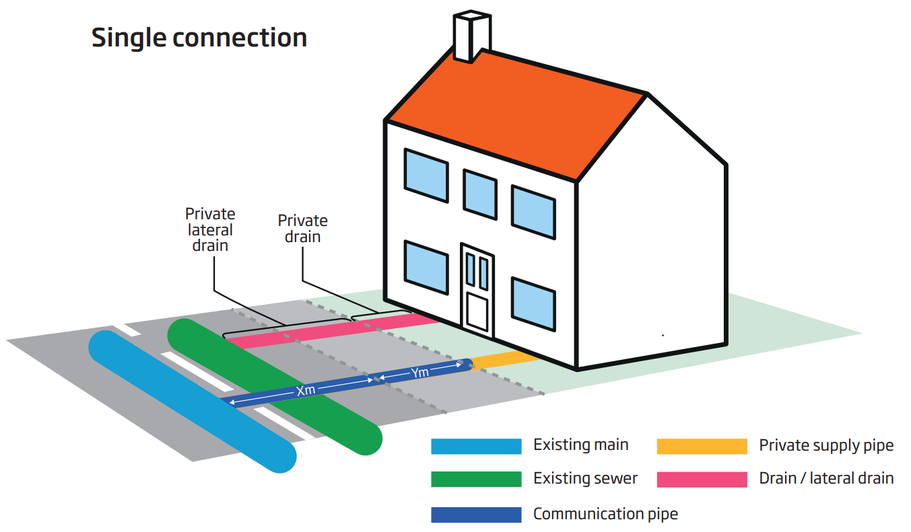
Scenario 1 - Single connection to a house from an existing main

This worked example provides charges for a single connection to an existing water main of 90mm diameter polyethylene (PE). The worked example includes the associated charges for a single property connection to an existing sewer, which is completed by the customer. These charges are specified under ‘Other Charges’.

Within construction costs, this includes: Service pipe installation; Boundary box fitting; Meter installation; Excavation; Reinstatement
Pipework:
• 25 – 32mm diameter PE pipe
• 4m pipework in road
Traffic management assumes the road (Type 3-4) is 40mph, has two lanes and does not require a road closure or lane closure. Two-way automated lights are required. There is also an assumption that the only payable council charges are for permitting.

