Scenario 3
Scenario 3: Medium housing development requiring new mains and communication pipes (excavation and reinstatement by others)

This worked example provides charges associated with the provision of new water mains and individual connections from them for each of 50 new houses. The worked example includes the associated charges for the 50 property connections to an existing sewer, which are completed by the customer. This worked example assumes excavation and reinstatement activities are completed by others, except for the excavation leading to the connection to the existing water main.
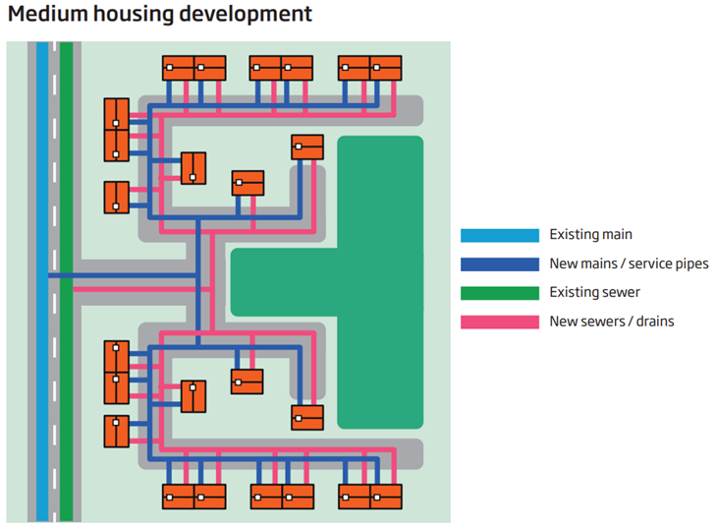
Within construction costs, this includes: Mains laying; Service pipe installation; Boundary box fitting; Meter installation

Technical Specification (Connection) - Pipework (no excavation):
• Connection to Existing Main of 180mm diameter PE
• 3m pipework laying (per communication pipe)

Technical Specification (Mains) - Pipework: Total length 300m, consisting of:
• 125mm diameter PE – 10m road type 3-4 road (leading to the point of connection to an existing water main)
• 125mm diameter PE – 190m
• 90mm diameter PE – 100m

Design Considerations:
• 180mm diameter existing main, serving 150 existing customers
• Three commissioning phases
• Three sample chlorination and connections – footpath
• Four washouts - unmade ground
• Five valves (1 x 150mm, 3 x 100mm, 1 x 80mm) - unmade ground
• One trial hole - unmade ground

Traffic management assumes the road (Type 3-4) is 50mph, has two lanes and requires a road closure and eight parking pay suspensions. Any additional council charges for permitting should be included.

