Example 3
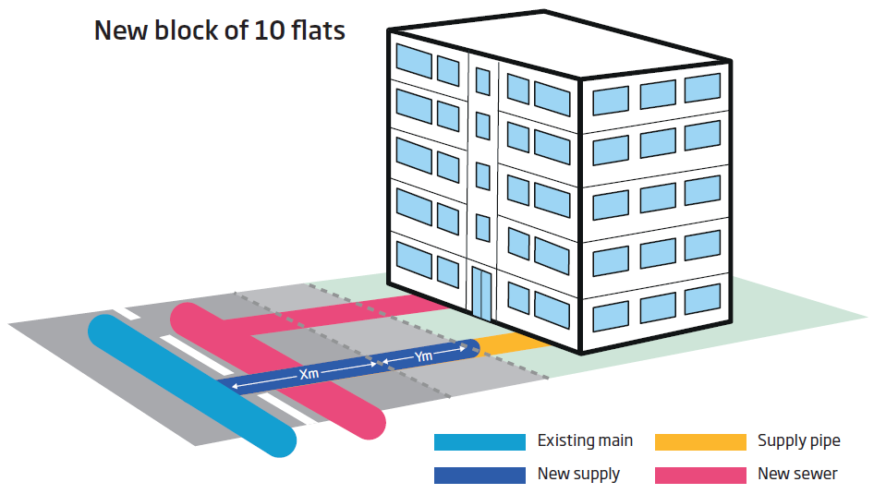
Worked Example 3: Short Connection to Block of 10 Flats
 | Water:
 |  | Large diameter water connection to an existing main.
 |  | This includes service pipe and boundary box fitting, excavation and reinstatement in up to 4m of road surface
 |  | Traffic management
 | Waste:
 |  | Infrastructure fee at the standard rate is assumed and income offset

The following sheets show how the calculator is filled out for the above example and the resulting costs are on the calculator page.

