Example 1
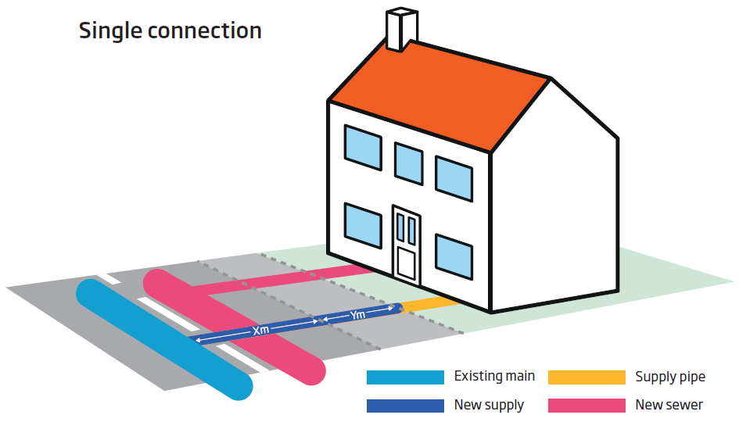
Worked Example 1: Single Short connection
 | Water:
 |  | Connection to an existing main. This includes service pipe and the boundary box fitting, excavation and reinstatement
 |  | Using ≤32mm barrier pipe and up to 4m excavated and reinstated in a road surface. Includes charges for Highway permit fee and any required traffic lights.
 |  | Administration fee, infrastructure fee and income offset
 | Waste:
 |  | Infrastructure fee at the standard rate is assumed and income offset

The following sheets show how the calculator is filled out for the above example and the resulting costs are on the calculator page.

